2019 Arthropod abundance_CH
Date | Farm | Family.abbr | Abundance | Num.of.capsule | Trophic | Notes | 鑑種者 | d13C | C_amt | d15N | N_amt | Total_amt | Trophic
20190227 | CH_C | Chr | 1 | 1 | 1. Herbivore |  | MH, JL
20190227 | CH_C | Thr | 3 | 0 | 1. Herbivore |  | MH, JL
20190227 | CH_C | Cic | 3 | 1 | 1. Herbivore |  | MH, JL
20190227 | CH_C | Ant | 1 | 0 | 2. Predator | 小黑花椿象 | MH, JL
20190227 | CH_C | Mir | 3 | 1 | 2. Predator |  | MH, JL
20190227 | CH_C | Dol | 5 | 2 | 2. Predator |  | MH, JL
20190227 | CH_C | Cer | 14 | ~1 | 3. Omnivore |  | MH, JL
20190227 | CH_C | Cul | 8 | ~1 | 3. Omnivore |  | MH, JL
20190227 | CH_C | Ich | 2 | 1 | 4. Parasite/Parasitoid |  | MH, JL
20190227 | CH_C | Eph | 8 | 1 | 5. Detritivore |  | MH, JL
20190227 | CH_C | Pho | 18 | 1 | 5. Detritivore |  | MH, JL
20190227 | CH_C | Chi | 100 | 2 | 5. Detritivore |  | MH, JL
20190327 | CH_C | Chr | 1 | 0 | 1. Herbivore |  | MH, JL
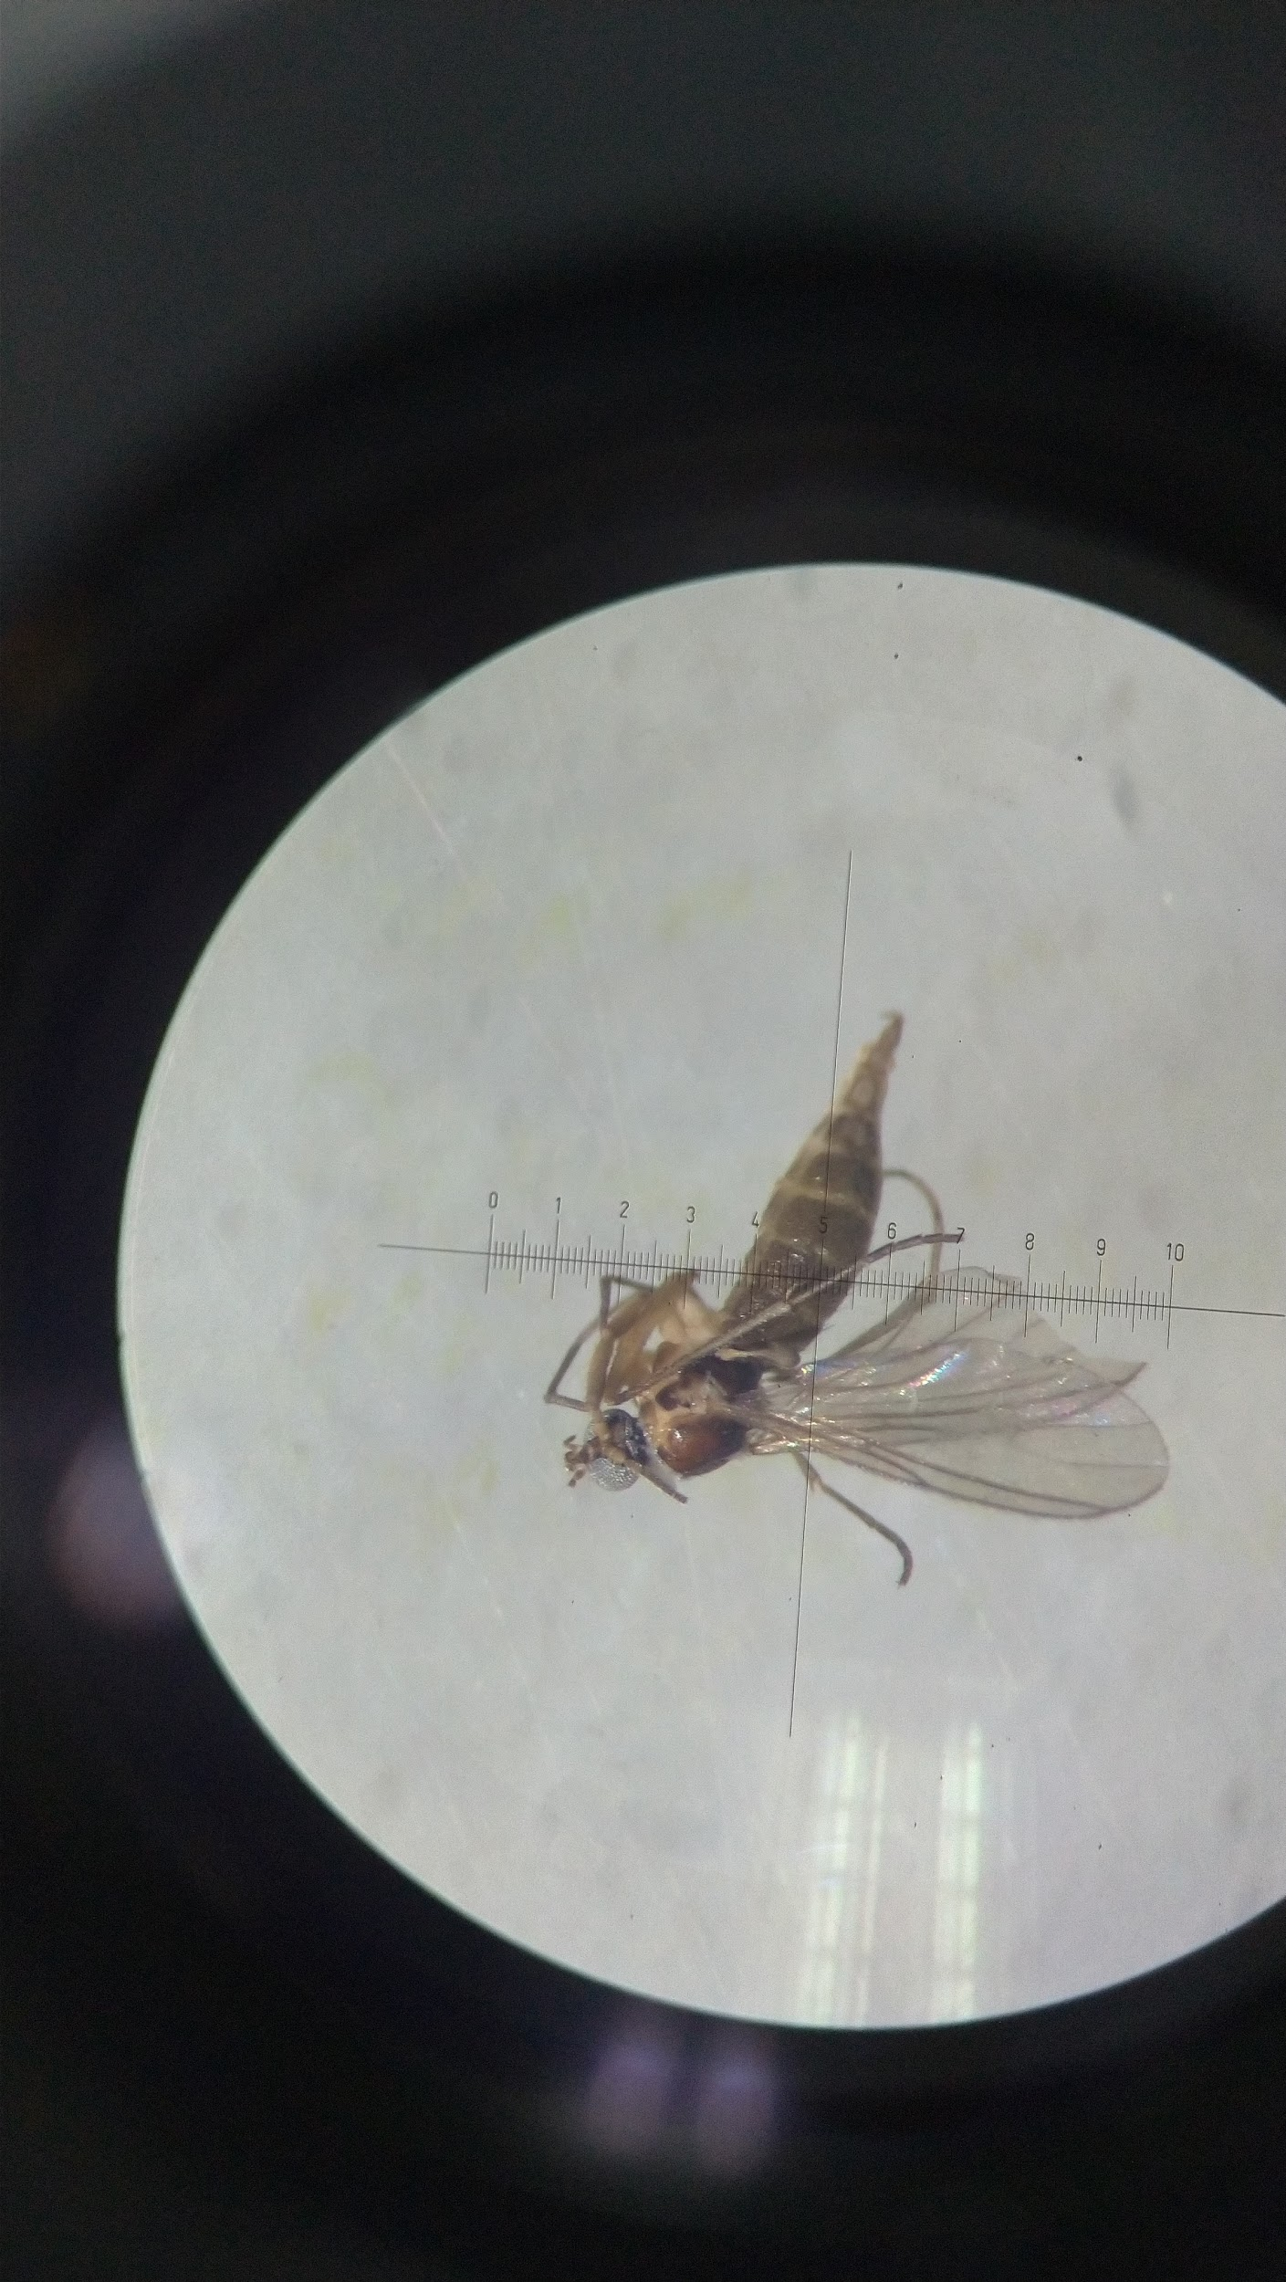
20190327 | CH_C | Dol | 3 | 1 | 2. Predator |  | MH, JL
20190327 | CH_C | Cer | 60 | 1~2 | 3. Omnivore |  | MH, JL
20190327 | CH_C | Sci | 1 | 0 | 4. Parasite/Parasitoid |  | MH, JL
20190327 | CH_C | Ich | 1 | 0 | 4. Parasite/Parasitoid |  | MH, JL
20190327 | CH_C | Pho | 3 | 0 | 5. Detritivore |  | MH, JL
20190327 | CH_C | Chl | 1 | 0 | 5. Detritivore |  | MH, JL
20190327 | CH_C | Chi | 160 | 3 | 5. Detritivore |  | MH, JL
20190327 | CH_C | Eph | 5 | 0 | 5. Detritivore |  | MH, JL
20190426 | CH_C | Cic | 4 | 1 | 1. Herbivore |  | MH, JL
20190426 | CH_C | Del | 24 | 3 | 1. Herbivore |  | MH, JL
20190426 | CH_C | Tet | 2 | 2 | 2. Predator |  | MH, JL
20190426 | CH_C | Ara | 4 | 1 | 2. Predator |  | MH, JL
20190426 | CH_C | Sta | 1 | 1 | 2. Predator |  | MH, JL
20190426 | CH_C | Ant | 1 | 0 | 2. Predator |  | MH, JL
20190426 | CH_C | Dol | 6 | 3 | 2. Predator |  | MH, JL
20190426 | CH_C | Cer | 15 | 1 | 3. Omnivore |  | MH, JL
20190426 | CH_C | Sci | 18 | 5 | 4. Parasite/Parasitoid |  | MH, JL
20190426 | CH_C | Eul | 1 | 0 | 4. Parasite/Parasitoid |  | MH, JL
20190426 | CH_C | Chl | 3 | 1 | 5. Detritivore |  | MH, JL
20190426 | CH_C | Mus | 1 | 1 | 5. Detritivore |  | MH, JL
20190426 | CH_C | Eph | 12 | 2 | 5. Detritivore |  | MH, JL
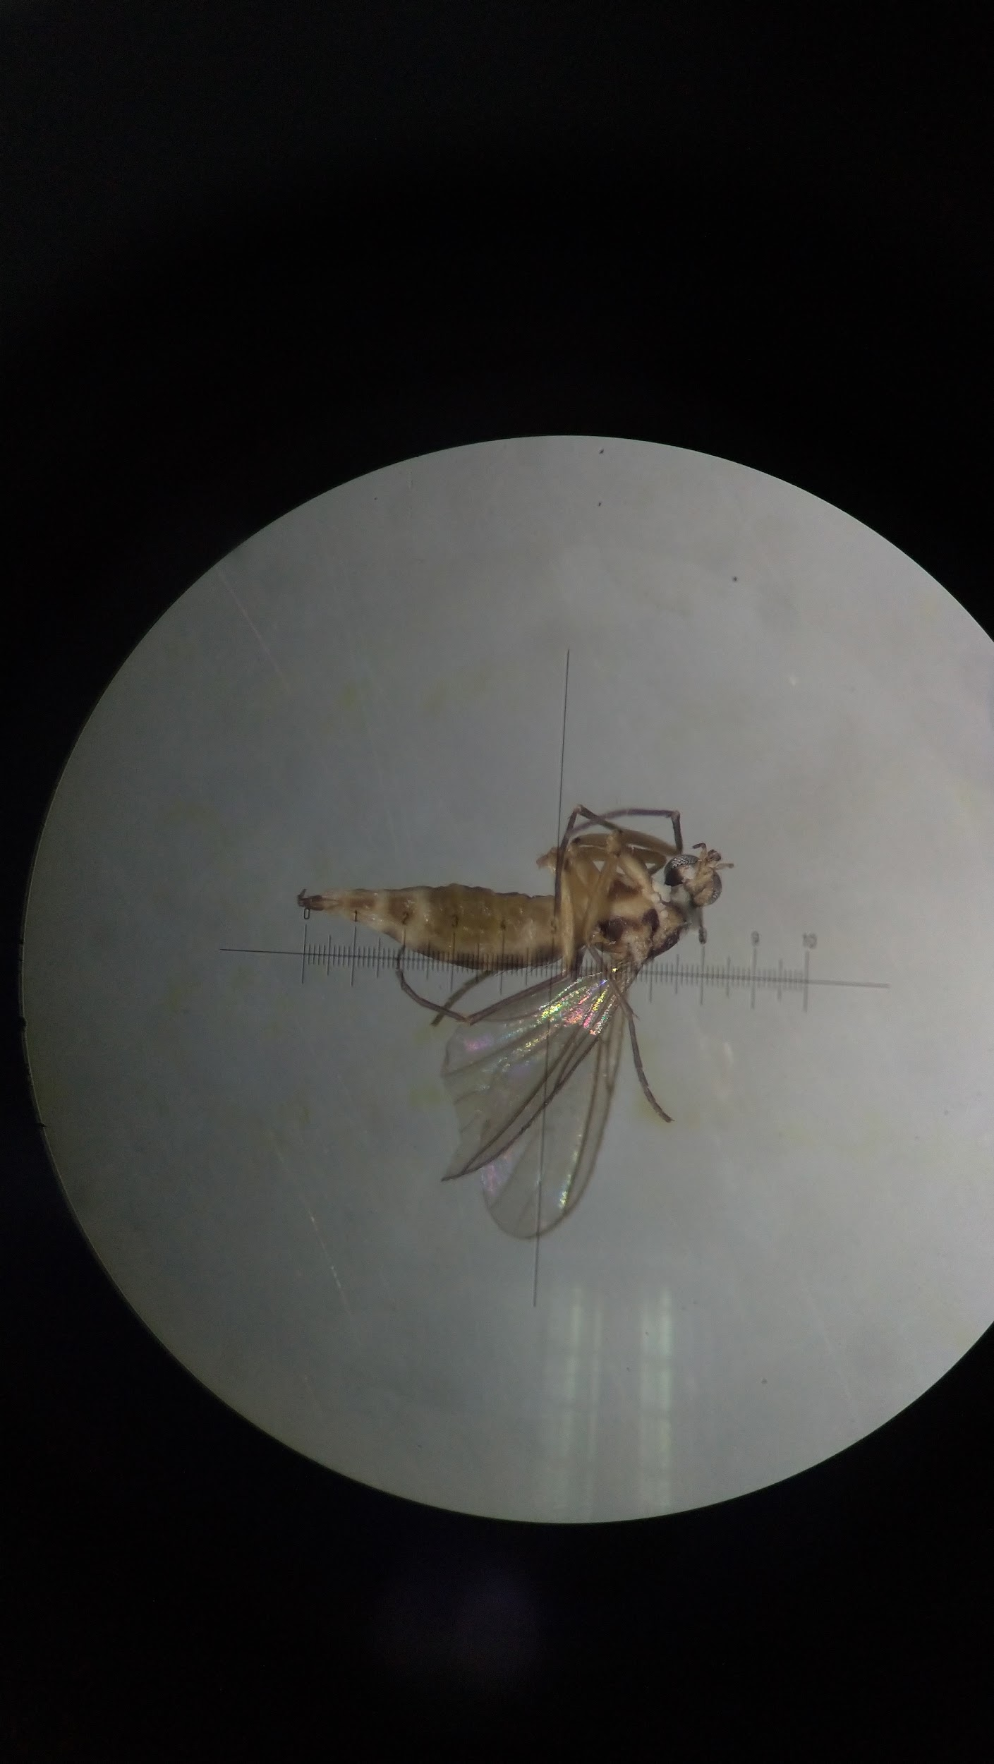
20190426 | CH_C | Chi | 60 | 2 | 5. Detritivore |  | MH, JL
20190426 | CH_C | Pho | 1 | 0 | 5. Detritivore |  | MH, JL
20190528 | CH_C | Pyl | 1 | 1 | 1. Herbivore |  | MH, JL
20190528 | CH_C | Cic | 5 | 1 | 1. Herbivore |  | MH, JL
20190528 | CH_C | Del | 31 | 2 | 1. Herbivore |  | MH, JL
20190528 | CH_C | Api | 1 | 1 | 1. Herbivore |  | MH, JL
20190528 | CH_C | Sta | 2 | 1 | 2. Predator |  | MH, JL
20190528 | CH_C | Mir | 1 | 0 | 2. Predator |  | MH, JL
20190528 | CH_C | Ara | 3 | 0 | 2. Predator |  | MH, JL
20190528 | CH_C | Dol | 2 | 1 | 2. Predator |  | MH, JL
20190528 | CH_C | Cul | 3 | ~1 | 3. Omnivore |  | MH, JL
20190528 | CH_C | Cer | 2 | 1 | 3. Omnivore |  | MH, JL
20190528 | CH_C | For | 1 | 0 | 3. Omnivore |  | MH, JL
20190528 | CH_C | Eul | 1 | 0 | 4. Parasite/Parasitoid |  | MH, JL
20190528 | CH_C | Ich | 5 | 2 | 4. Parasite/Parasitoid |  | MH, JL
20190528 | CH_C | Sci | 7 | 3 | 4. Parasite/Parasitoid |  | MH, JL
20190528 | CH_C | Chl | 6 | 1 | 5. Detritivore |  | MH, JL
20190528 | CH_C | Eph | 2 | 1 | 5. Detritivore |  | MH, JL
20190528 | CH_C | Pho | 2 | 1 | 5. Detritivore |  | MH, JL
20190528 | CH_C | Mus | 2 | 1 | 5. Detritivore |  | MH, JL
20190528 | CH_C | Chi | 3 | 0 | 5. Detritivore |  | MH, JL
20190227 | CH_O | Ter | 1 | 1 | 1. Herbivore |  | MH, JL
20190227 | CH_O | Pen | 1 | 1 | 1. Herbivore |  | MH, JL
20190227 | CH_O | Chr | 2 | 1 | 1. Herbivore |  | MH, JL
20190227 | CH_O | Ero | 1 | 0 | 1. Herbivore |  | MH, JL
20190227 | CH_O | Mir | 2 | 1 | 2. Predator | 盲椿科 | MH, JL
20190227 | CH_O | Dol | 3 | 1 | 2. Predator |  | MH, JL
20190227 | CH_O | Cer | 5 | 0 | 3. Omnivore |  | MH, JL
20190227 | CH_O | Ich | 1 | 0 | 4. Parasite/Parasitoid |  | MH, JL
20190227 | CH_O | Sci | 3 | 1 | 4. Parasite/Parasitoid |  | MH, JL
20190227 | CH_O | Chl | 2 | 0 | 5. Detritivore |  | MH, JL
20190227 | CH_O | Chi | 160 | 3 | 5. Detritivore |  | MH, JL
20190227 | CH_O | Unknown Diptera 1 | 2 | 1 | #N/A | 蠅類Detritivore | MH, JL
20190227 | CH_O | Eph | 11 | 1 | 5. Detritivore | 蠅類Detritivore，翅有斑紋 | MH, JL
20190227 | CH_O | Unknown Diptera 3 | 15 | 1 | #N/A | 蠅類Detritivore | MH, JL
20190227 | CH_O | Pho | 35 | 1 | 5. Detritivore | Phoridae 蚤蠅科 | MH, JL
20190327 | CH_O | Ter | 1 | 1 | 1. Herbivore |  | MH, JL
20190327 | CH_O | Del | 1 | 0 | 1. Herbivore |  | MH, JL
20190327 | CH_O | Dol | 2 | 1 | 2. Predator |  | MH, JL
20190327 | CH_O | Cer | 9 | ~1 | 3. Omnivore |  | MH, JL
20190327 | CH_O | Uknown Diptora | 1 | 0 | #N/A |  | MH, JL
20190327 | CH_O | Pho | 1 | 0 | 5. Detritivore |  | MH, JL
20190327 | CH_O | Eph | 2 | ~1 | 5. Detritivore |  | MH, JL
20190327 | CH_O | Pho | 5 | 0 | 5. Detritivore |  | MH, JL
20190327 | CH_O | Chi | 10 | 1 | 5. Detritivore |  | MH, JL
20190426 | CH_O | Tri | 1 | 1 | 1. Herbivore |  | MH, JL
20190426 | CH_O | Lep | 1 | 1 | 1. Herbivore | Lepidoptera 鱗翅目 | MH, JL
20190426 | CH_O | Del | 150 | 2 | 1. Herbivore | 11成，140若蟲 | MH, JL
20190426 | CH_O | Cic | 21 | 1 | 1. Herbivore |  | MH, JL
20190426 | CH_O | Lyg | 1 | 1 | 1. Herbivore |  | MH, JL
20190426 | CH_O | Chr | 2 | 1 | 1. Herbivore |  | MH, JL
20190426 | CH_O | Thr | 19 | 0 | 1. Herbivore |  | MH, JL
20190426 | CH_O | Syr | 1 | 1 | 1. Herbivore |  | MH, JL
20190426 | CH_O | Tet | 8 | 2 | 2. Predator |  | MH, JL
20190426 | CH_O | Ara | 45 | 3 | 2. Predator |  | MH, JL
20190426 | CH_O | Coc | 1 | 1 | 2. Predator |  | MH, JL
20190426 | CH_O | Ant | 3 | 0 | 2. Predator |  | MH, JL
20190426 | CH_O | Dol | 4 | 1 | 2. Predator |  | MH, JL
20190426 | CH_O | Car | 3 | 0 | 2. Predator |  | MH, JL
20190426 | CH_O | For | 7 | ~1 | 3. Omnivore |  | MH, JL
20190426 | CH_O | Cer | 45 | 1 | 3. Omnivore |  | MH, JL
20190426 | CH_O | Sce | 2 | 0 | 4. Parasite/Parasitoid |  | MH, JL
20190426 | CH_O | Myr | 2 | 0 | 4. Parasite/Parasitoid |  | MH, JL
20190426 | CH_O | Pho | 3 | 0 | 5. Detritivore |  | MH, JL
20190426 | CH_O | Chl | 2 | 0 | 5. Detritivore |  | MH, JL
20190426 | CH_O | Eph | 5 | 1 | 5. Detritivore |  | MH, JL
20190426 | CH_O | Chi | 100 | 2 | 5. Detritivore |  | MH, JL
20190528 | CH_O | Cic | 37 | 3 | 1. Herbivore |  | MH, JL
20190528 | CH_O | Del | 33 | 2 | 1. Herbivore |  | MH, JL
20190528 | CH_O | Sta | 4 | 2 | 2. Predator |  | MH, JL
20190528 | CH_O | Ara | 10 | 1 | 2. Predator |  | MH, JL
20190528 | CH_O | Car | 1 | 0 | 2. Predator |  | MH, JL
20190528 | CH_O | Mir | 1 | 0 | 2. Predator |  | MH, JL
20190528 | CH_O | Coc | 1 | 1 | 2. Predator | 幼蟲 | MH, JL
20190528 | CH_O | Dol | 7 | 2 | 2. Predator |  | MH, JL
20190528 | CH_O | For | 5 | 1 | 3. Omnivore |  | MH, JL
20190528 | CH_O | Cer | 1 | 0 | 3. Omnivore |  | MH, JL
20190528 | CH_O | Pip | 1 | 1 | 4. Parasite/Parasitoid |  | MH, JL
20190528 | CH_O | Sce | 1 | 0 | 4. Parasite/Parasitoid |  | MH, JL
20190528 | CH_O | Myr | 1 | 0 | 4. Parasite/Parasitoid |  | MH, JL
20190528 | CH_O | Ich | 2 | 0 | 4. Parasite/Parasitoid |  | MH, JL
20190528 | CH_O | Cha | 1 | 0 | 4. Parasite/Parasitoid |  | MH, JL
20190528 | CH_O | Eul | 1 | 0 | 4. Parasite/Parasitoid |  | MH, JL
20190528 | CH_O | Chi | 10 | ~1 | 5. Detritivore |  | MH, JL
20190528 | CH_O | Eph | 3 | 1 | 5. Detritivore |  | MH, JL
20190528 | CH_O | Chl | 2 | 1 | 5. Detritivore |  | MH, JL

